ECSpressCON PART BUILDER
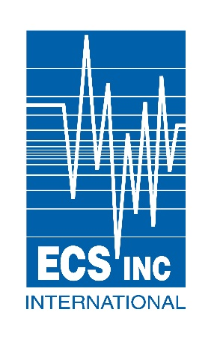

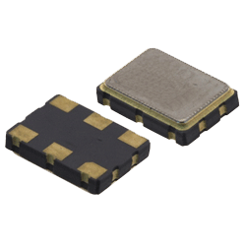
 |  |  |  | XO PART NUMBER BUILDER

 | Step # 1 | Step# 2 |  | Step# 3 |  | Step# 4 | Step# 5 | Step# 6 | Step# 7
 | Select Oscillator Type | Select RF Output |  | Select Operating Voltage |  | Select Package Size | Stability | Operating Temp. | Enter Frequency 600 = 600.0000(MHz)
 |  |  |  |  |  |  |  |  | 156.200
 |  |  |  |  |  |  |  |  | ECX-H is available between 10.000MHz and 250.000MHz

Part Number Result: |  |  | ECX-H33CN- |  | 156.200

ECX-L DATA SHEET
ECX-P DATA SHEET
ECX-H DATA SHEET

NOTES

