ECS XO PART BUILDER
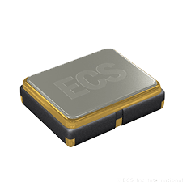
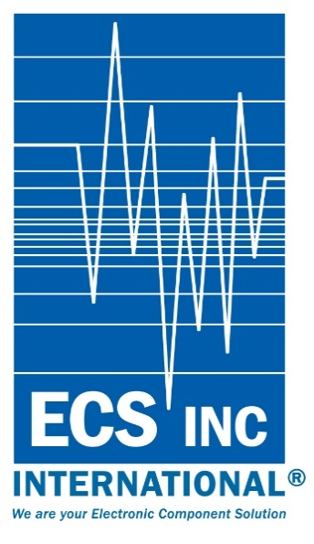
 |  | ECS QUARTZ OSCILLATOR PART NUMBER BUILDER
Example: ECS-2520S18-270-FN-TR

FW8
Voltage Needed for ECS-2520Q, ECS-2520S, & ECS-3225S ONLY 1.8V to 3.3V
Example: ECS-2018-480-BN-TR

FW2
SERIES
FW3
FREQENCY
FW4
STABILITY
FW5
TEMPERATURE RANGE
FW7
Blank = Bulk TR = Tape & Reel

ECS-2520S
Once the series has been chosen, the Data-Sheet is available by clicking the CLICK FOR DATA SHEET link next to the created part number below.
18 = +1.8V
25 = +2.5V
30 = +3.0V
33 = +3.3V
50 = +5.0V
Voltage is not required for those series indicating voltage, the selection will be omitted.
25.000MHz = 250
Developed Frequencies available on the data-sheet
A = 100ppm
B = 50ppm
C = 25ppm
D = 20ppm
D= 30ppm with ECS-2520Q only
E = 15ppm
F = 10ppm
G = 30ppm
L = -10 ~ +70°C
M = -20 ~ +70°C
N = -40 ~ +85°C
P = -40 ~ +105°C
S = -40 ~ +125°C
U = -55 ~ +125°C
BLANK = BULK
TR = Tape & Reel

Consult Data sheet for Stability Options.
If crossinf another manufacturer part number, build the ECS part number and consult ECS INC. International

 |  |  |  | RELEASED 4-2018
Part Number Result: | ECS-3225MV-200-GN-TR |  | CLICK FOR DATA SHEET
Available Packages by Series
2.0 X 1.6
ECS-1618 (1.8V) HCMOS
ECS-1633 (3.3V) HCMOS
ECS-2016MV (MULTI-VOLT TECHNOLOGY 1.6V~3.6V)
7.5 X 5.0
ECS-3951M-BN ONLY (5.0V)
ECS-3951C (5.0V)
ECS-3953C (3.3V)
ECS-3953M-BN ONLY (3.3V)
ECS-3955M (5.0V)
ECS-5718 1.8V)
ECS-5725 (2.5V)
ECS-LVDS25 (2.5V)
ECS-LVDS33 (3.3V)
ECS-P73 (3.3V) PROGRAMMABLE
ECS-P75 (5.0V) PROGRAMMABLE
ECS-PEC25 (2.5V) PECL
ECS-PEC25 (2.5V) PECL
2.5 X 2.0
ECS-2018 (1.8V) HCMOS
ECS-2025 (2.5V)
ECS-2033 (3.3V)
ECS-2520S Stability as low as 10ppm
ECS-2520Q (AEC-Q200)
ECS-2520MV (MULTI-VOLT TECHNOLOGY 1.6V~3.6V)
13.2 x 13.2 x 5.4
ECS-P83X (3.3V) (PROGRAMMABLE)
ECS-P85X (5.0V) (PROGRAMMABLE)
3.2 X 2.5
ECS-3225S Stability as low as 10ppm
ECS-327KE (1.425 ~ 5.5V)
ECS-2325 (2.5V)
ECS-2333 (3.3V)
ECS-3225MV (MULTI-VOLT TECHNOLOGY 1.6V~3.6V)
14.0 x 8.65
ECS-8FMX
ECS-8FA3X
14 x 9.8 x 4.7
ECS-P8F3X (3.3V) (PROGRAMMABLE)
ECS-P8F5X (5.0V) (PROGRAMMABLE)
5.0 X 3.2
ECS-3961 (5.0V)
ECS-3963 (3.3V)
ECS-3518 (1.8V)
ECS-3525 (2.5V)
ECS-P53 (3.3V) (PROGRAMMABLE)
ECS-P55 (5.0V) (PROGRAMMABLE)
20.7 x 12.9 x 5
ECS-P143X (3.3V) (PROGRAMMABLE)
ECS-P145X (5.0V) (PROGRAMMABLE)
6.5 X 4.0
ECS-327SMO 32.768KHz
7.0 X 5.0
ECS-3951C (5.0V)
ECS-3953C (3.3V)
ECS-LVDS25 (2.5V) LVDS
LVDS33 (3.3V) LVDS
ECS-P73 (3.3V)(PROGRAMMABLE)
ECS-P75 (5.0V)(PROGRAMMABLE)
ECS-PEC25 (2.5V) PECL
ECS-PEC33 (3.3V) PECL

NOTES

